Sheet1
IBA Commitment to Community Award |  |  |  | 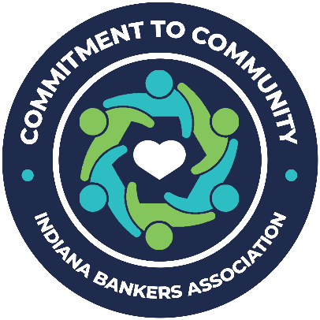
Judging Area | 8-10 points | 4-7 points | Less than 4 points | Points
How does your bank support your community? Responses may be project-specific – e.g. financial support/in-kind donations, event support/organizing, board leadership, financial literacy outreach, etc. – or may emphasize the cumulative effect of the bank’s overall outreach. | The bank provides meaningful support that is highly likely to improve quality of life within the community it serves. | The bank provides some support that is fairly likely to improve quality of life within the community it serves. | The bank provides minimal support that is unlikely to improve quality of life within the community it serves.
How does your bank’s outreach address your community’s needs? Responses may pertain to housing, education, physical/mental health issues, financial literacy, infrastructure, etc. | The bank’s outreach effectively targets and addresses the needs of its community. | The bank’s outreach somewhat addresses the needs of its community. | The bank’s outreach does not address the needs of its community.
How does your bank engage staff in community outreach? Responses could include incentive programs, training/mentoring, employee-led initiatives, culture-building, etc. | The bank actively engages staff to effectively tap talent and build a strong culture of volunteerism. | The bank somewhat engages its staff to make fair use of talent and build an average culture of volunteerism. | The bank minimally engages staff, not necessarily tapping talent nor building a culture of volunteerism.
How do you evaluate the success of your bank’s community outreach? Responses could be quantitative, qualitative or a mix that lead to continual improvement of community service. | The bank’s self-evaluation provides valuable insight into the effectiveness of community outreach and how to improve in the future. | The bank’s self-evaluation provides some insight into the effectiveness of community outreach, with some emphasis on future improvement. | The bank’s self-evaluation provides little insight into effectiveness and does not address future improvement.
How does your bank’s commitment to community tell the story of banking? Responses provide an opportunity to expound on the bank’s passion for commitment to community. | The bank’s community outreach is a testament to the story of banking. | The bank’s community outreach somewhat illustrates the story of banking. | The bank’s community outreach does not convey the story of banking.
 |  |  | Total | 0

